charts
Tickets 2021-2023
Yearly summary
 |  | messages sent
Tickets and messages sent
 | tickets | messages sent

bot resolved tickets/tickets
User satisfaction with CS
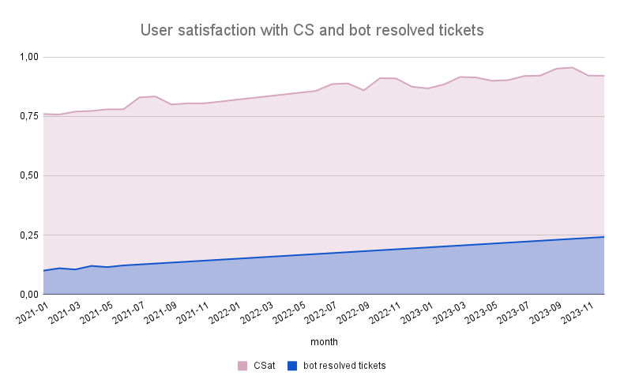

User satisfaction with CS - deliveries
User satisfaction with CS - outsourcing

